Introduction
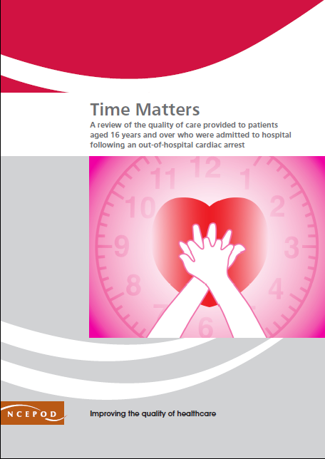
https://www.ncepod.org.uk/2021ohca.html

Out-of-Hospital Cardiac Arrests
Audit Toolkit

To be completed for patients aged 16 years or over who were admitted to hospital and had sustained (>20 minutes) return of spontaneous circulation following an out-of-hospital cardiac arrest. Exclusions: patients admitted to hospital following an OHCA and ROSC, but where the OHCA was due to trauma, drowning, drug overdose or poisoning.

Thank you for downloading the toolkit for ''Time Matters". We hope you find this useful. If you have any feedback, please email us at info@ncepod.org.uk Please could you advise your local audit department if you plan to undertake this audit. It is important that they are made aware of it for the benefit of demonstrating Trust/Health Board activity and also so that they are in a position to support you and endorse the activity for your benefit.
Please complete as many questions which are applicable to the care of the patient.
For information on the recommendation to which each question assesses, please click on the button
This toolkit can be used in conjunction with the Recommendation Checklist. This can be found by clicking on the adjacent report image or this link:
https://www.ncepod.org.uk/2021ohca.html

Summary
Extent to which each recommendation has been met (%)
Recommendation - Sub criteria question number (reference only)
3 | 4 | 5 | 6 | 7 | 8 | 9 | 10 | 11 | 12 | 13 | RAG system (NCEPOD recommends these are set at the following limits, however these can be adapted by your Trust/Health Board where appropriate by amending the thresholds as required) | %
3bi | 4a | 5 | 6b | 7a | 8a | 9b | 10bi | 10ci | 10di | 10ei
3bii | 4b |  | 6c | 7b | 8b |  | 10bii | 10cii | 10dii | 10eii
3biii | 4c |  |  | 7c
 | 4d |  |  | 7d
 | 4e |  |  | 7e |  |  |  |  |  |  | Green | 100
 | 4f |  |  |  |  |  |  |  |  |  | Amber | 50-99
 |  |  |  |  |  |  |  |  |  |  | Red | 0-49

Recommendation - Sub criteria questions (score)
3 | 4 | 5 | 6 | 7 | 8 | 9 | 10 | 11 | 12 | 13
No data | No data | No data | No data | No data | No data | No data | No data | No data | No data | No data
No data | No data |  | No data | No data | No data |  | No data | No data | No data | No data
No data | No data |  |  | No data
 | No data |  |  | No data
 | No data |  |  | 0
 | No data

Average % of recommendation
3 | 4 | 5 | 6 | 7 | 8 | 9 | 10 | 11 | 12 | 13
No data | No data | No data | No data | No data | No data | No data | No data | No data | No data | No data

